Metadata
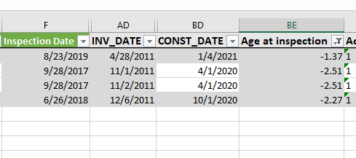
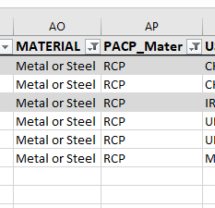
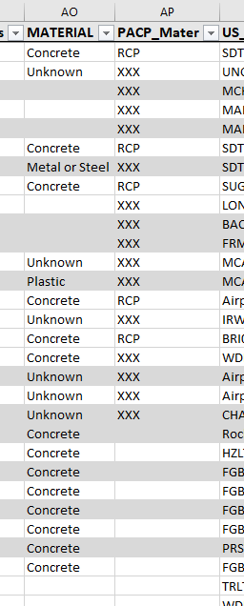
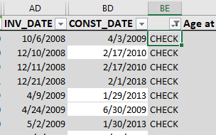
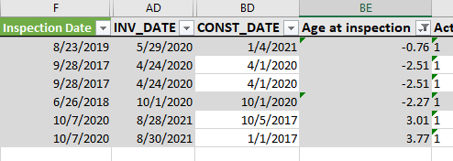
Corrections/adjustments | The information in the columns named with a PACP prefix is generally more reliable

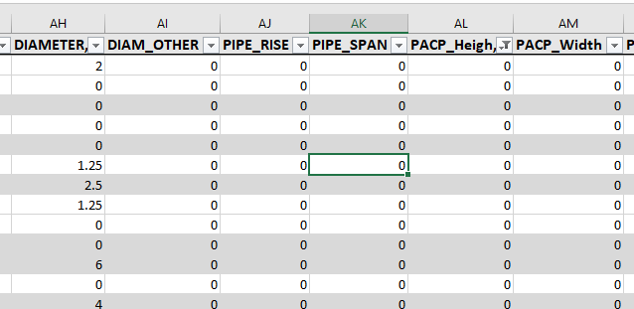
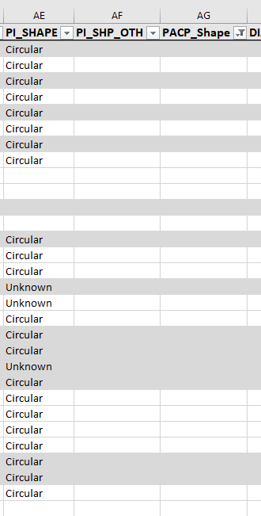
1. added columns 'Clogging score, C_Flood no missing, Cons. location (C/F) score, flood design score', based on the score schema by CMSWS
2. modified PACP shape missing data
3. modified missing dimensional info in PACP xx
4. modified missing material info in PACP xx
5. corrected some materials (MANY IN every category)
6. Corrected age conflicts (89 RECORDS), it was corrected to 0 if both inventory and contraction date were later than inspection date

Major missing information filter: PACP diameter, and material (final record#: 1221)

Some of the columns use formulas, make a copy before making any further changes

